Sheet4
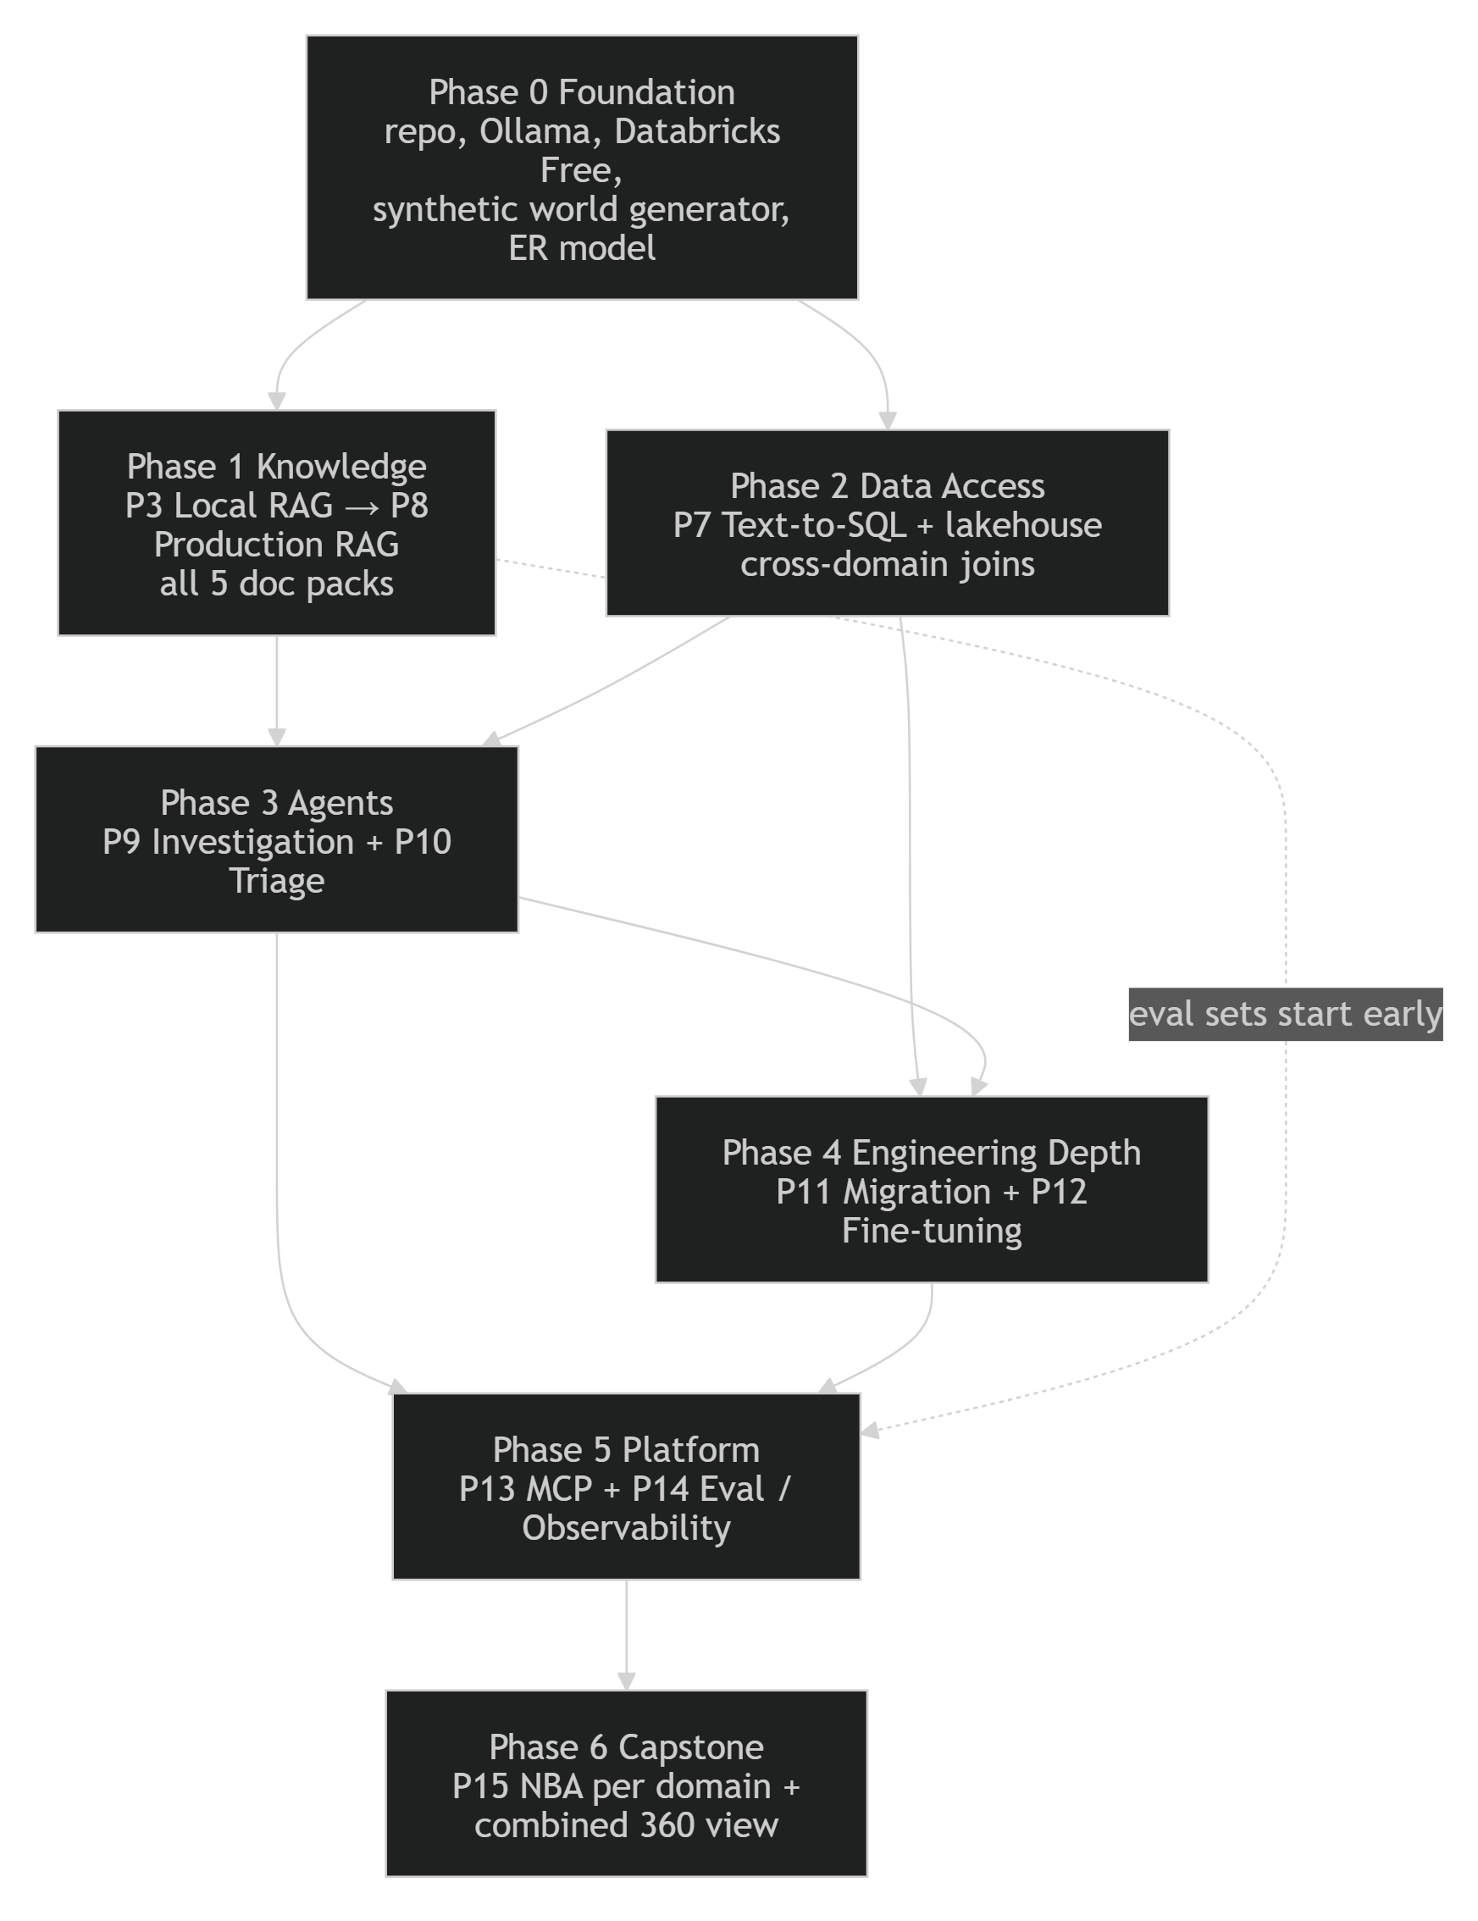
1. Program overlap map
The five domain packs plug into one shared core. Each stage is built once and reused by every domain. Dotted lines show the links between domains.

2. Data-flow graph for each path

A. PharmaSignal (Pharma)

B. CreditGuard (Banking)

C. ClaimSense (Insurance)
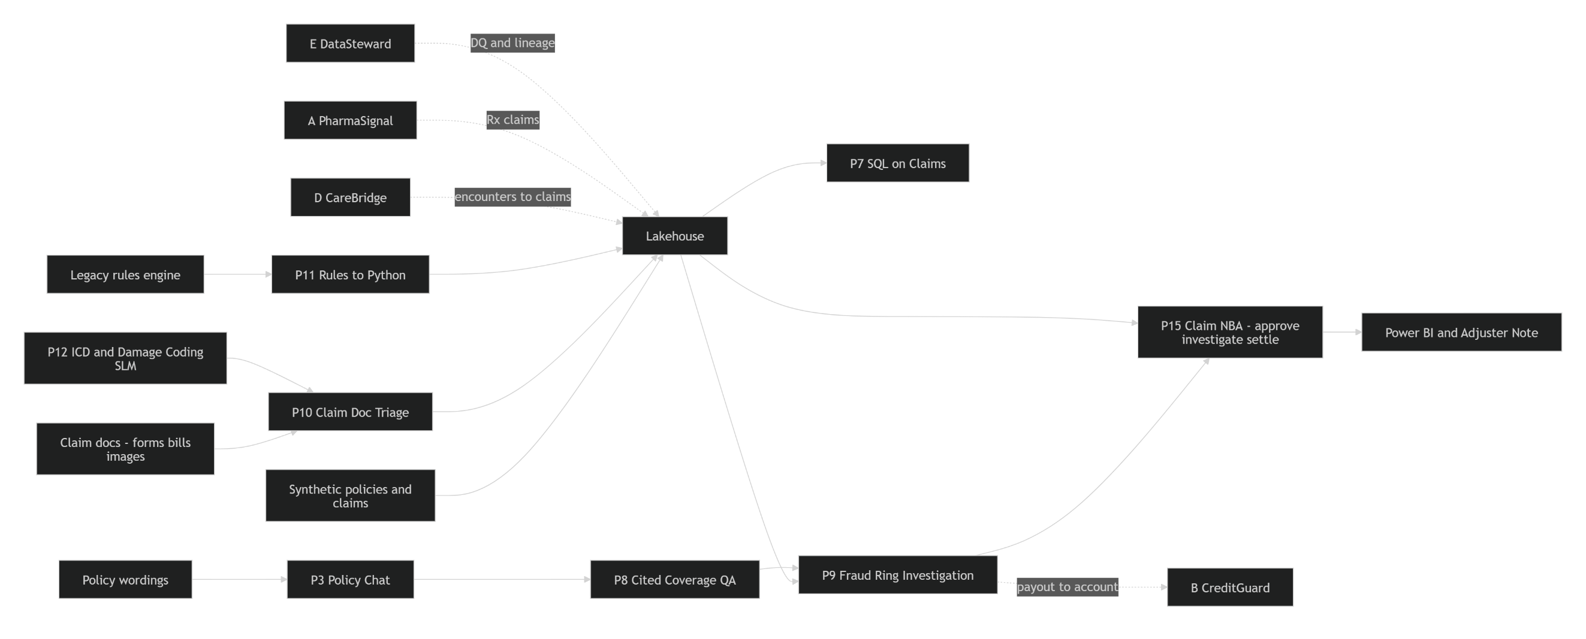

D. CareBridge (Hospital)

E. DataSteward (governance layer under A–D)

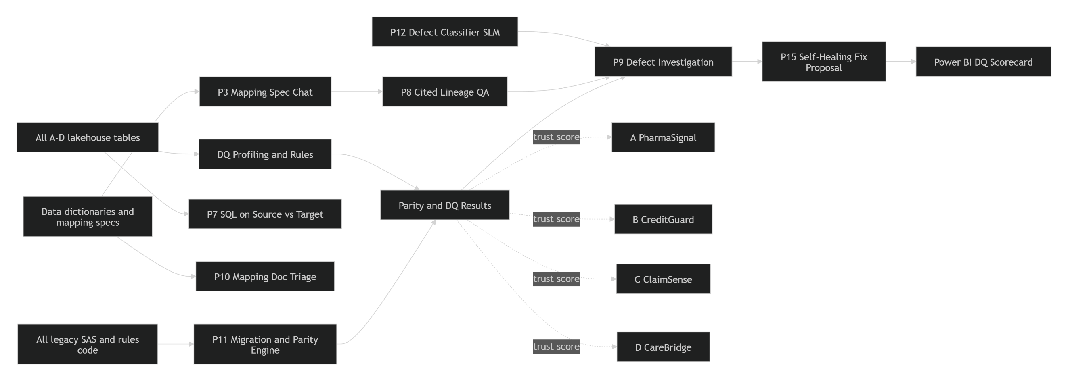

Cross-domain case chain (the program demo story)

3. Shared data entities and relationships

The key design rule: one PERSON record can be a patient, a policyholder and a bank customer at the same time. One ORGANIZATION record can be a hospital, an HCP's practice, an insurer or a bank. That shared identity is what lets queries follow a case from one domain into the next.

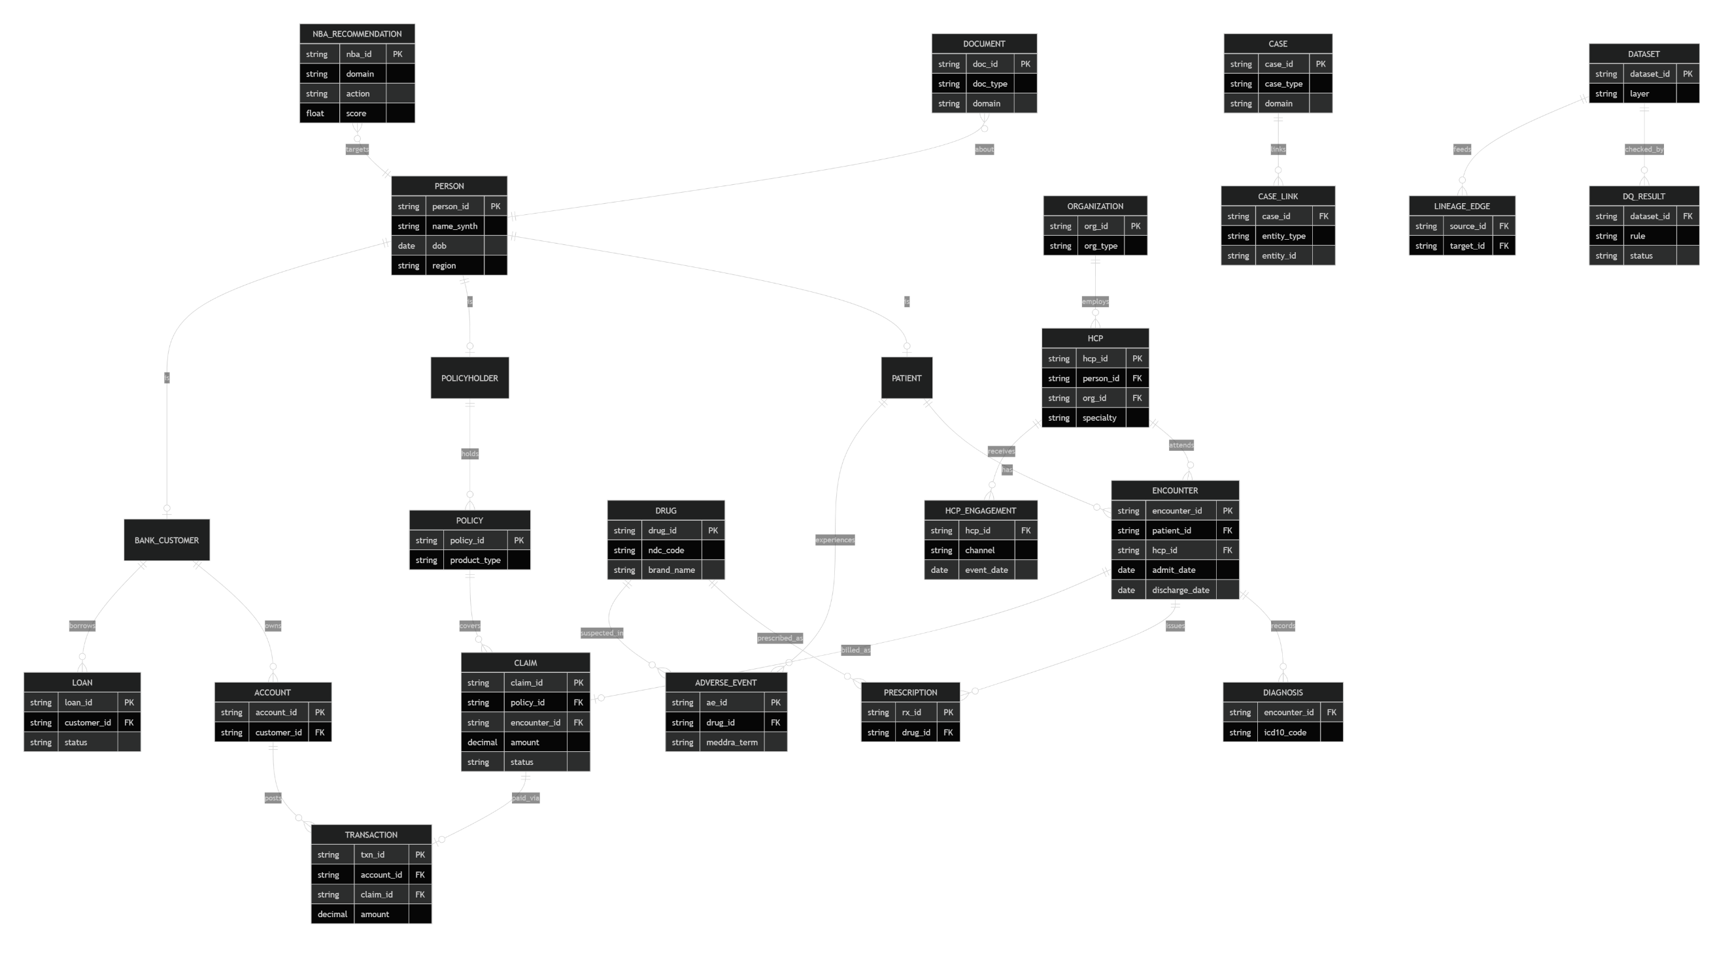

Cross-domain join keys
 | Join key | Domains it connects | Used in
 | person_id | A, B, C, D | P7 SQL, P9 investigations, P15 combined view
 | drug_id / ndc_code | A ↔ D ↔ C | Safety signals, prescription claims
 | icd10_code | D ↔ C ↔ A | Coding SLM (P12), claim validation
 | encounter_id → claim_id | D → C | Bill to claim
 | claim_id → txn_id | C → B | Payout tracing, fraud rings
 | hcp_id | A ↔ D ↔ C | HCP engagement, provider fraud
 | dataset_id | E → all | DQ results, lineage

4. Phased build plan and dependencies

